A0
Mite Lewis

Entry (Strawberry)

Strawberry |  |  | Strawberry |  |  | Strawberry |  |  | Strawberry |  |  | Strawberry |  |  | Strawberry |  |  |  |  |  |  |  |  | Strawberry Entry |  |  |  |  |  |  |  |  |  |  |  |  | Strawberry Entry
S_N0_Import_Straw |  |  | S_E1a_Conv_Pcs2kg |  |  | S_E1b_Conv_Packs2Pcs |  |  | S_E2_Prop_InfUS |  |  | S_E3_Surv_Trans |  |  | S_E4_Surv_Insp |  |  |  |  |  |  |  |  | N1_Entry straw= |  | #NAME? | Average number of infested packs entering Europe |  |  |  |  |  |  |  |  |  | Sensitivity=
Average kg of P4P of strawberry per year from the USA [kg] |  |  | Weight of a strawberry runner [kg] |  |  | Number of strawberry plants per pack [-] |  |  | Proportion of infested packs intended for export to EU [%] |  |  | Survival of infested packs during storage and transport [%] |  |  | Survival of infested packs at border inspection [%] |  |  |  |  |  |  |  |  |  |  |  | [packs]
 |  |  |  |  |  |  |  |  |  |  |  |  |  |  |  |  |  |  |  |  |  |  |  | Percentile |  | N1_Entry straw= |  | S_N0_Import_Straw | S_E1a_Conv_Pcs2kg | S_E1b_Conv_Packs2Pcs | S_E2_Prop_InfUS | S_E3_Surv_Trans | S_E4_Surv_Insp |  |  |  | Rank | Cell | Parameter | Distribution | RegCoeff | RC^2 | Prop
S_N0_Import_Straw | P_cum | fitted | S_E1a_Conv_Pcs2kg | P_cum | fitted | S_E1b_Conv_Packs2Pcs | P_cum | fitted | S_E2_Prop_InfUS | P_cum | fitted | S_E3_Surv_Trans | P_cum | fitted | S_E4_Surv_Insp | P_cum | fitted |  |  |  |  |  |  | 1.0% |  | #NAME? |  | #NAME? | #NAME? | #NAME? | #NAME? | #NAME? | #NAME? |  |  |  | #1 | O17 | S_E2_Prop_infUS | RiskLognorm(0.00084595,0.0011549,RiskName("S_E2_Prop_infUS"),RiskFit("S_Prop_infUS","RMSErr")) | 0.70 | 0.49 | 74%
300000 | 0.01 | #NAME? |  | 0.01 | #NAME? |  | 0.01 | #NAME? | 0.000% | 0.01 | #NAME? | 0% | 0.01 | #NAME? | 98.5% | 0.01 | #NAME? |  |  |  |  |  |  | 5.0% |  | #NAME? |  | #NAME? | #NAME? | #NAME? | #NAME? | #NAME? | #NAME? |  |  |  | #2 | S17 | S_E3_Surv_trans | RiskGamma(1.5146,0.022607,RiskName("S_E3_Surv_trans"),RiskFit("S_Surv_trans","RMSErr")) | 0.40 | 0.16 | 24%
600000 | 0.25 | #NAME? |  | 0.25 | #NAME? |  | 0.25 | #NAME? | 0.025% | 0.25 | #NAME? | 2% | 0.25 | #NAME? | 99.2% | 0.25 | #NAME? |  |  |  |  |  |  | 10.0% |  | #NAME? |  | #NAME? | #NAME? | #NAME? | #NAME? | #NAME? | #NAME? |  |  |  | #3 | C17 | S_N0_Import_Straw | RiskGamma(22.296,31748,RiskName("S_N0_Import_Straw"),RiskFit("S_Import_Straw_NE0","RMSErr")) | 0.11 | 0.01 | 2%
700000 | 0.5 | #NAME? |  | 0.5 | #NAME? |  | 0.5 | #NAME? | 0.050% | 0.5 | #NAME? | 3% | 0.5 | #NAME? | 99.4% | 0.5 | #NAME? |  |  |  |  |  |  | 16.6% |  | #NAME? |  | #NAME? | #NAME? | #NAME? | #NAME? | #NAME? | #NAME? |  |  |  | - | W17 | S_E4_Eff_insp | RiskWeibull(2.2790,0.0069780,RiskName("S_E4_Eff_insp"),RiskFit("S_Eff_insp","RMSErr")) | 0.00 | 0.00 | 0%
800000 | 0.75 | #NAME? |  | 0.75 | #NAME? |  | 0.75 | #NAME? | 0.100% | 0.75 | #NAME? | 5% | 0.75 | #NAME? | 99.6% | 0.75 | #NAME? |  |  |  |  |  |  | 25.0% |  | #NAME? |  | #NAME? | #NAME? | #NAME? | #NAME? | #NAME? | #NAME? |  |  |  | Sum |  |  |  | R^2= | 0.66 | 100%
1100000 | 0.99 | #NAME? |  | 0.99 | #NAME? |  | 0.99 | #NAME? | 0.500% | 0.99 | #NAME? | 10% | 0.99 | #NAME? | 100.0% | 0.99 | #NAME? |  |  |  |  |  |  | 33.3% |  | #NAME? |  | #NAME? | #NAME? | #NAME? | #NAME? | #NAME? | #NAME?
 |  |  |  |  |  |  |  |  |  |  |  |  |  |  |  |  |  |  |  |  |  |  |  | 50.0% |  | #NAME? |  | #NAME? | #NAME? | #NAME? | #NAME? | #NAME? | #NAME?
S_N0_Import_Straw | #NAME? | Gamma | S_E1a_Conv_Pcs2kg | 0.035 | Constant | S_E1b_Conv_Packs2Pcs | 1200 | Constant | S_E2_Prop_InfUS | #NAME? | LogNormal | S_E3_Surv_Trans | #NAME? | Gamma | S_E4_Surv_Insp | #NAME? | Weibull |  |  |  |  |  |  | 66.7% |  | #NAME? |  | #NAME? | #NAME? | #NAME? | #NAME? | #NAME? | #NAME?
 |  |  |  |  |  |  |  |  |  |  |  |  |  |  |  |  |  |  |  |  |  |  |  | 75.0% |  | #NAME? |  | #NAME? | #NAME? | #NAME? | #NAME? | #NAME? | #NAME?
 |  |  |  |  |  |  |  |  |  |  |  |  |  |  | 0.0% | 0.01 |  |  |  |  |  |  |  | 83.3% |  | #NAME? |  | #NAME? | #NAME? | #NAME? | #NAME? | #NAME? | #NAME?
 |  |  |  |  |  |  |  |  |  |  |  |  |  |  | 0.4% | 0.25 |  |  |  |  |  |  |  | 90.0% |  | #NAME? |  | #NAME? | #NAME? | #NAME? | #NAME? | #NAME? | #NAME?
 |  |  |  |  |  |  |  |  |  |  |  |  |  |  | 0.6% | 0.5 |  |  |  |  |  |  |  | 95.0% |  | #NAME? |  | #NAME? | #NAME? | #NAME? | #NAME? | #NAME? | #NAME?
 |  |  |  |  |  |  |  |  |  |  |  |  |  |  | 0.8% | 0.75 |  |  |  |  |  |  |  | 99.0% |  | #NAME? |  | #NAME? | #NAME? | #NAME? | #NAME? | #NAME? | #NAME?
 |  |  |  |  |  |  |  |  |  |  |  |  |  |  | 1.5% | 0.99 |  |  |  |  |  |  |  | Mean |  | #NAME? |  | #NAME? | #NAME? | #NAME? | #NAME? | #NAME? | #NAME?
 |  |  |  |  |  |  |  |  |  |  |  |  |  |  |  |  |  |  |  |  |  |  |  | Std |  | #NAME? |  | #NAME? | #NAME? | #NAME? | #NAME? | #NAME? | #NAME?

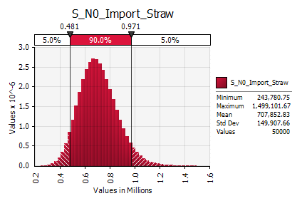 #NAME? |  |  | 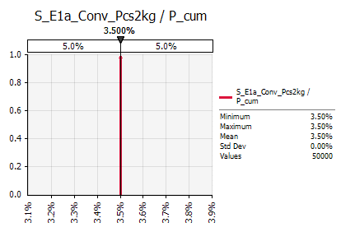 #NAME? |  |  | 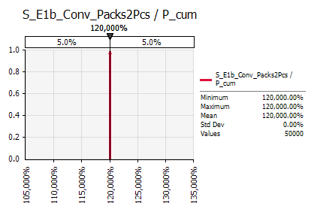 #NAME? |  |  | 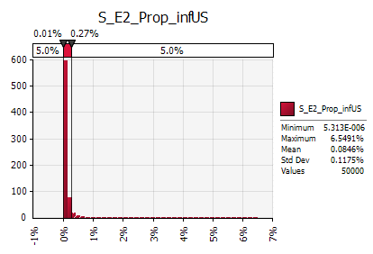 #NAME? |  |  | 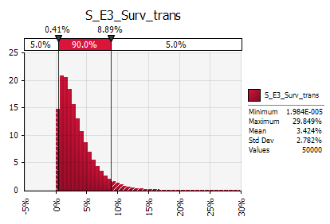 #NAME? |  |  | 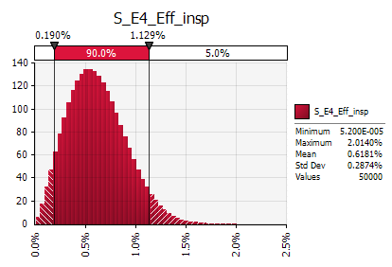 #NAME? |  |  |  |  |  |  |  |  | 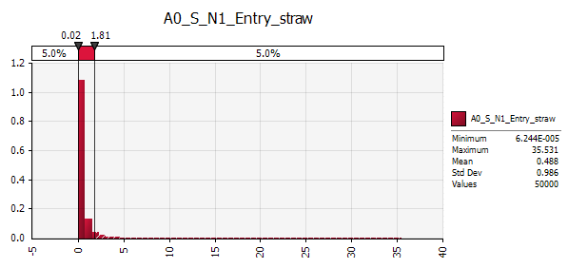 #NAME?
Sensitivity

Establishment (Strawberry, new: in nurseries + in fruit production area)

Strawberry |  |  | Strawberry |  |  | Strawberry |  |  | Strawberry |  |  | Strawberry |  |  |  |  |  |  |  |  |  |  |  | Strawberry Establishment in Castilla y Leon |  |  |  |  |  |  |  |  |  |  |  |  | Strawberry Establishment in Castilla y Leon
S_B1_Surv_Stor |  |  | S_B2a_Surv_RROpreplantCyL |  |  | S_B3a_Conv_Packs2ha |  |  | S_B4_Surv_RROpostPlant |  |  | S_B5a_Suit_EnvironCyL |  |  |  |  |  |  |  |  |  |  |  | N2_EstCyL straw= | #NAME? | #NAME? | Average number of infested ha with established population in Catilla y Leon |  |  |  |  |  |  |  |  |  | Sensitivity=
Survival of infested packs after storage in EU [%] |  |  | Survival of infested packs after preplanting treatment [%] |  |  | Number of infested packs per ha [1/ha] |  |  | Survival of plants during GAP inspection [%] |  |  | Survival under conditions of Castilla y Leon [%] |  |  |  |  |  |  |  |  |  |  |  |  |  |  | [ha]
 |  |  |  |  |  |  |  |  |  |  |  |  |  |  |  |  |  |  |  |  |  |  |  | Percentile | Factor (SensAnal) | N2_EstCyL straw= |  | S_B1_Surv_Stor | S_B2a_Surv_RROpreplantCyL | S_B3a_Conv_Packs2ha | S_B4_Surv_RROpostPlant | S_B5a_Suit_EnvironCyL |  |  |  |  | Rank | Cell | Parameter | Distribution | RegCoeff | RC^2 | Prop
S_B1_Surv_Stor | P_cum | fitted | S_B2a_Surv_RROpreplantCyL | P_cum | fitted | S_B3a_Conv_Packs2ha | P_cum | fitted | S_B4_Surv_RROpostPlant | P_cum | fitted | S_B5a_Suit_EnvironCyL | P_cum | fitted |  |  |  |  |  |  |  |  |  | 1.0% | #NAME? | #NAME? |  | #NAME? | #NAME? | #NAME? | #NAME? | #NAME? |  |  |  |  | #1 | C44 | S_B1_Surv_stor | RiskGamma(1.5146,0.022607,RiskName("S_B1_Surv_stor"),RiskFit("S_Surv_stor","RMSErr")) | 0.31 | 0.10 | 31%
0.0% | 0.01 | #NAME? | 0% | 0.01 | #NAME? | 1 | 0.01 | #NAME? | 1.0% | 0.01 | #NAME? | 0% | 0.01 | #NAME? |  |  |  |  |  |  |  |  |  | 5.0% | #NAME? | #NAME? |  | #NAME? | #NAME? | #NAME? | #NAME? | #NAME? |  |  |  |  | #2 | O44 | S_B4_Surv_RROpostPlant | RiskBetaGeneral(1.1749,7.6001,0,1,RiskName("S_B4_Surv_RROpostPlant"),RiskFit("S_Surv_RROpostPlant","RMSErr")) | 0.31 | 0.10 | 30%
1.5% | 0.25 | #NAME? | 10% | 0.25 | #NAME? | 3 | 0.25 | #NAME? | 5.0% | 0.25 | #NAME? | 1% | 0.25 | #NAME? |  |  |  |  |  |  |  |  |  | 10.0% | #NAME? | #NAME? |  | #NAME? | #NAME? | #NAME? | #NAME? | #NAME? |  |  |  |  | #3 | S44 | S_B5a_Suit_EnvironCyL | RiskWeibull(1.5645,0.024166,RiskName("S_B5a_Suit_EnvironCyL"),RiskFit("S_Suit_Environ","RMSErr")) | 0.24 | 0.06 | 18%
2.5% | 0.5 | #NAME? | 15% | 0.5 | #NAME? | 5 | 0.5 | #NAME? | 10.0% | 0.5 | #NAME? | 2% | 0.5 | #NAME? |  |  |  |  |  |  |  |  |  | 16.6% | #NAME? | #NAME? |  | #NAME? | #NAME? | #NAME? | #NAME? | #NAME? |  |  |  |  | #4 | K44 | S_Conv_Packs2ha | RiskLognorm(6.3649,5.1811,RiskName("S_Conv_Packs2ha"),RiskFit("S_Conv_Packs2ha","RMSErr")) | -0.18 | 0.03 | 11%
5.0% | 0.75 | #NAME? | 20% | 0.75 | #NAME? | 8 | 0.75 | #NAME? | 20.0% | 0.75 | #NAME? | 3% | 0.75 | #NAME? |  |  |  |  |  |  |  |  |  | 25.0% | #NAME? | #NAME? |  | #NAME? | #NAME? | #NAME? | #NAME? | #NAME? |  |  |  |  | #5 | G44 | S_Surv_RROPrePlant | RiskBetaGeneral(3.5454,18.967,0,1,RiskName("S_Surv_RROPrePlant"),RiskFit("S_Surv_RROPrePlant","RMSErr")) | 0.18 | 0.03 | 10%
10.0% | 0.99 | #NAME? | 100% | 0.99 | #NAME? | 20 | 0.99 | #NAME? | 95.0% | 0.99 | #NAME? | 5% | 0.99 | #NAME? |  |  |  |  |  |  |  |  |  | 33.3% | #NAME? | #NAME? |  | #NAME? | #NAME? | #NAME? | #NAME? | #NAME? |  |  |  |  | Sum |  |  |  | R^2= | 0.31 | 100%
 |  |  |  |  |  |  |  |  |  |  |  |  |  |  |  |  |  |  |  |  |  |  |  | 50.0% | #NAME? | #NAME? |  | #NAME? | #NAME? | #NAME? | #NAME? | #NAME?
S_B1_Surv_Stor | #NAME? | Gamma | S_B2a_Surv_RROpreplantCyL | #NAME? | BetaGen | S_B3a_Conv_Packs2ha | #NAME? | Gamma | S_B4_Surv_RROpostPlant | #NAME? | GenBeta | S_B5a_Suit_EnvironCyL | #NAME? | Weibull |  |  |  |  |  |  |  |  |  | 66.7% | #NAME? | #NAME? |  | #NAME? | #NAME? | #NAME? | #NAME? | #NAME?
 |  |  |  |  |  |  |  |  |  |  |  |  |  |  |  |  |  |  |  |  |  |  |  | 75.0% | #NAME? | #NAME? |  | #NAME? | #NAME? | #NAME? | #NAME? | #NAME?
 |  |  | 0% | 0.01 |  |  |  |  |  |  |  |  |  |  |  |  |  |  |  |  |  |  |  | 83.3% | #NAME? | #NAME? |  | #NAME? | #NAME? | #NAME? | #NAME? | #NAME?
 |  |  | 80% | 0.25 |  |  |  |  |  |  |  |  |  |  |  |  |  |  |  |  |  |  |  | 90.0% | #NAME? | #NAME? |  | #NAME? | #NAME? | #NAME? | #NAME? | #NAME?
 |  |  | 85% | 0.5 |  |  |  |  |  |  |  |  |  |  |  |  |  |  |  |  |  |  |  | 95.0% | #NAME? | #NAME? |  | #NAME? | #NAME? | #NAME? | #NAME? | #NAME?
 |  |  | 90% | 0.75 |  |  |  |  |  |  |  |  |  |  |  |  |  |  |  |  |  |  |  | 99.0% | #NAME? | #NAME? |  | #NAME? | #NAME? | #NAME? | #NAME? | #NAME?
 |  |  | 100% | 0.99 |  |  |  |  |  |  |  |  |  |  |  |  |  |  |  |  |  |  |  | Mean | #NAME? | #NAME? |  | #NAME? | #NAME? | #NAME? | #NAME? | #NAME?
 |  |  |  |  |  |  |  |  |  |  |  |  |  |  |  |  |  |  |  |  |  |  |  | Std | #NAME? | #NAME? |  | #NAME? | #NAME? | #NAME? | #NAME? | #NAME?

#NAME? |  |  | 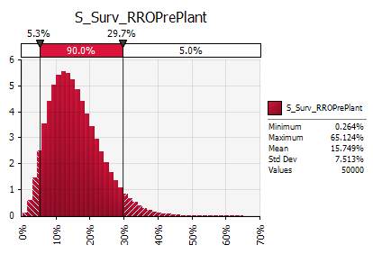 #NAME? |  |  | 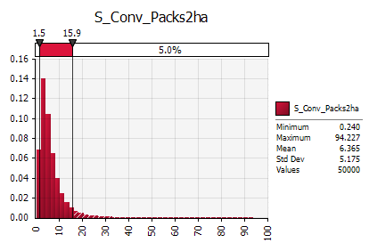 #NAME? |  |  | 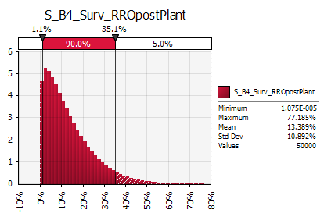 #NAME? |  |  | 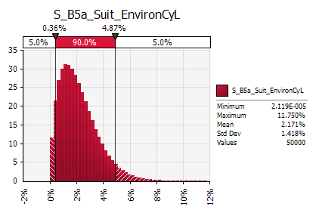 #NAME? |  |  |  |  |  |  |  |  |  |  |  | 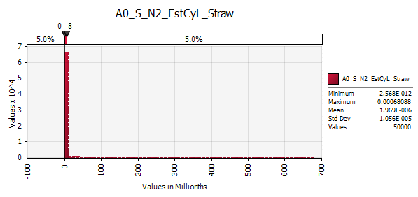 #NAME?
Sensitivity

 |  |  |  |  |  | Strawberry |  |  |  |  |  | Strawberry |  |  | Strawberry |  |  | Strawberry |  |  | Strawberry |  |  | Strawberry Establishment in Huelva |  |  |  |  |  |  |  |  |  |  |  |  | Strawberry Establishment in Huelva
 |  |  |  |  |  | S_B3b_Conv_Runner2ha |  |  |  |  |  | S_B2b_Surv_RROprefruitH |  |  | S_B2c_Prop_TransfRun |  |  | S_B3c_Conv_InfRun2ha |  |  | S_B5b_Suit_EnvironH |  |  | N2_EstH_straw= | #NAME? | #NAME? | Average number of infested ha with established population in Huelva |  |  |  |  |  |  |  |  |  | Sensitivity=
 |  |  |  |  |  | Number of runners per ha [1/ha] |  |  |  |  |  | Survival of infested plants after preplanting treatment [%] |  |  | Proportion of infested runners transferred to berry production [%] |  |  | Number of infested runner per ha production [1/ha] |  |  | Survival under conditions in Huelva [%] |  |  |  |  |  | [ha]
 |  |  |  |  |  |  |  |  |  |  |  |  |  |  |  |  |  |  |  |  |  |  |  | Percentile | Factor (SensAnal) | N2_EstH_straw= |  | S_B1_Surv_Stor | S_B2a_Surv_RROpreplantCyL | S_B3a_Conv_Packs2ha | S_B3b_Conv_Runner2ha | S_B4_Surv_RROpostPlant | S_B2b_Surv_RROprefruitH | S_B2c_Prop_TransfRun | S_B3c_Conv_InfRun2ha | S_B5b_Suit_EnvironH | Rank | Cell | Parameter | Distribution | RegCoeff | RC^2 | Prop
 |  |  |  |  |  | S_B3b_Conv_Runner2ha | P_cum | fitted |  |  |  | S_B2b_Surv_RROprefruitH | P_cum | fitted | S_B2c_Prop_TransfRun | P_cum | fitted | S_B3c_Conv_InfRun2ha | P_cum | fitted | S_B5b_Suit_EnvironH | P_cum | fitted | 1.0% | #NAME? | #NAME? |  | #NAME? | #NAME? | #NAME? | #NAME? | #NAME? | #NAME? | #NAME? | #NAME? | #NAME? | #1 | W69 | S_B2c_Prop_TransfRun | RiskLognorm(0.011363,0.0092139,RiskName("S_B2c_Prop_TransfRun"),RiskFit("S_Prop_TransfRun","RMSErr")) | 0.24 | 0.06 | 24%
 |  |  |  |  |  |  | 0.01 | #NAME? |  |  |  | 0% | 0.01 | #NAME? | 0.0% | 1.0% | #NAME? |  | 0.01 | #NAME? |  | 0.01 | #NAME? | 5.0% | #NAME? | #NAME? |  | #NAME? | #NAME? | #NAME? | #NAME? | #NAME? | #NAME? | #NAME? | #NAME? | #NAME? | #2 | S69 | S_B2b_Surv_RROprefruitH | RiskBetaGeneral(1.0765,6.8512,0,1,RiskName("S_B2b_Surv_RROprefruitH"),RiskFit("S_Surv_RROprefruit","RMSErr")) | 0.23 | 0.05 | 22%
 |  |  |  |  |  |  | 0.25 | #NAME? |  |  |  | 5% | 0.25 | #NAME? | 0.6% | 25.0% | #NAME? |  | 0.25 | #NAME? |  | 0.25 | #NAME? | 10.0% | #NAME? | #NAME? |  | #NAME? | #NAME? | #NAME? | #NAME? | #NAME? | #NAME? | #NAME? | #NAME? | #NAME? | #3 | C44 | S_B1_Surv_stor | RiskGamma(1.5146,0.022607,RiskName("S_B1_Surv_stor"),RiskFit("S_Surv_stor","RMSErr")) | 0.22 | 0.05 | 20%
 |  |  |  |  |  |  | 0.5 | #NAME? |  |  |  | 10% | 0.5 | #NAME? | 0.8% | 50.0% | #NAME? |  | 0.5 | #NAME? |  | 0.5 | #NAME? | 16.6% | #NAME? | #NAME? |  | #NAME? | #NAME? | #NAME? | #NAME? | #NAME? | #NAME? | #NAME? | #NAME? | #NAME? | #4 | O44 | S_B4_Surv_RROpostPlant | RiskBetaGeneral(1.1749,7.6001,0,1,RiskName("S_B4_Surv_RROpostPlant"),RiskFit("S_Surv_RROpostPlant","RMSErr")) | 0.22 | 0.05 | 20%
 |  |  |  |  |  |  | 0.75 | #NAME? |  |  |  | 20% | 0.75 | #NAME? | 1.5% | 75.0% | #NAME? |  | 0.75 | #NAME? |  | 0.75 | #NAME? | 25.0% | #NAME? | #NAME? |  | #NAME? | #NAME? | #NAME? | #NAME? | #NAME? | #NAME? | #NAME? | #NAME? | #NAME? | #5 | K44 | S_Conv_Packs2ha | RiskLognorm(6.3649,5.1811,RiskName("S_Conv_Packs2ha"),RiskFit("S_Conv_Packs2ha","RMSErr")) | (0.13) | 0.02 | 7%
 |  |  |  |  |  |  | 0.99 | #NAME? |  |  |  | 100% | 0.99 | #NAME? | 5.0% | 99.0% | #NAME? |  | 0.99 | #NAME? |  | 0.99 | #NAME? | 33.3% | #NAME? | #NAME? |  | #NAME? | #NAME? | #NAME? | #NAME? | #NAME? | #NAME? | #NAME? | #NAME? | #NAME? | #6 | G44 | S_Surv_RROPrePlant | RiskBetaGeneral(3.5454,18.967,0,1,RiskName("S_Surv_RROPrePlant"),RiskFit("S_Surv_RROPrePlant","RMSErr")) | 0.12 | 0.02 | 6%
 |  |  |  |  |  |  |  |  |  |  |  |  |  |  |  |  |  |  |  |  |  |  |  | 50.0% | #NAME? | #NAME? |  | #NAME? | #NAME? | #NAME? | #NAME? | #NAME? | #NAME? | #NAME? | #NAME? | #NAME? | Sum |  |  |  | R^2= | 0.25 | 100%
 |  |  |  |  |  | S_B3b_Conv_Runner2ha | 290000 | Constant |  |  |  | S_B2b_Surv_RROprefruitH | #NAME? | BetaGen | S_B2c_Prop_TransfRun | #NAME? | LogNorm | S_B3c_Conv_InfRun2ha | 1.00 | Constant | S_B5b_Suit_EnvironH | 100.0% | Constant | 66.7% | #NAME? | #NAME? |  | #NAME? | #NAME? | #NAME? | #NAME? | #NAME? | #NAME? | #NAME? | #NAME? | #NAME?
 |  |  |  |  |  |  |  |  |  |  |  |  |  |  |  |  |  |  |  |  |  |  |  | 75.0% | #NAME? | #NAME? |  | #NAME? | #NAME? | #NAME? | #NAME? | #NAME? | #NAME? | #NAME? | #NAME? | #NAME?
 |  |  |  |  |  |  |  |  |  |  |  |  |  |  |  |  |  |  |  |  |  |  |  | 83.3% | #NAME? | #NAME? |  | #NAME? | #NAME? | #NAME? | #NAME? | #NAME? | #NAME? | #NAME? | #NAME? | #NAME?
 |  |  |  |  |  | Conv_Packs2Pcs= | 1200 |  |  |  |  |  |  |  |  |  |  |  |  |  |  |  |  | 90.0% | #NAME? | #NAME? |  | #NAME? | #NAME? | #NAME? | #NAME? | #NAME? | #NAME? | #NAME? | #NAME? | #NAME?
 |  |  |  |  |  | Conv_Pcs2Runner= | 20 |  |  |  |  |  |  |  |  |  |  |  |  |  |  |  |  | 95.0% | #NAME? | #NAME? |  | #NAME? | #NAME? | #NAME? | #NAME? | #NAME? | #NAME? | #NAME? | #NAME? | #NAME?
 |  |  |  |  |  | before it was Packs to runner | 24000 |  |  |  |  |  |  |  |  |  |  |  |  |  |  |  |  | 99.0% | #NAME? | #NAME? |  | #NAME? | #NAME? | #NAME? | #NAME? | #NAME? | #NAME? | #NAME? | #NAME? | #NAME?
 |  |  |  |  |  |  |  |  |  |  |  |  |  |  |  |  |  |  |  |  |  |  |  | Mean | #NAME? | #NAME? |  | #NAME? | #NAME? | #NAME? | #NAME? | #NAME? | #NAME? | #NAME? | #NAME? | #NAME?
 |  |  |  |  |  |  |  |  |  |  |  |  |  |  |  |  |  |  |  |  |  |  |  | Std | #NAME? | #NAME? |  | #NAME? | #NAME? | #NAME? | #NAME? | #NAME? | #NAME? | #NAME? | #NAME? | #NAME?

 |  |  |  |  |  | 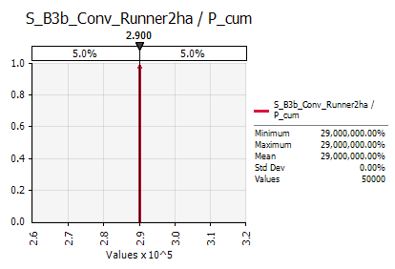 #NAME? |  |  |  |  |  | 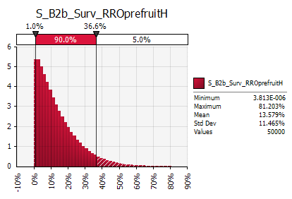 #NAME? |  |  | 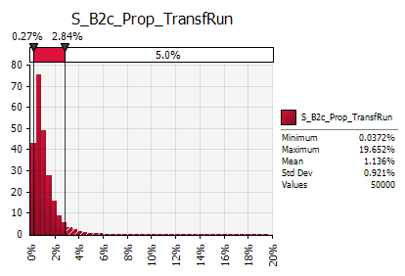 #NAME? |  |  | 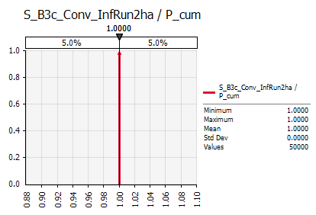 #NAME? |  |  | 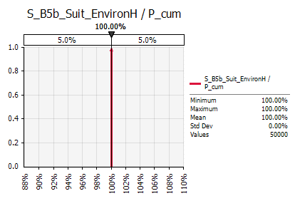 #NAME? |  |  | 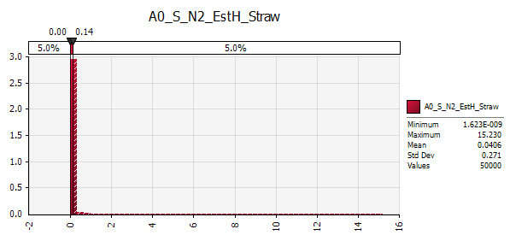 #NAME?
Sensitivity

Entry (Poinsettia)

Poinsettia |  |  | Poinsettia |  |  | Poinsettia |  |  | Poinsettia |  |  | Poinsettia |  |  | Poinsettia |  |  | Poinsettia |  |  | Poinsettia |  |  | Entry Poinsettia |  |  |  |  |  |  |  |  |  |  |  |  | Entry Poinsettia
P_N0a_Consum_Poins |  |  | P_N0b_Prop_Import |  |  | P_N0c_Prop_InfCountry_E0b |  |  | P_E1_Conv_Packs2Pcs |  |  | P_E2a_Prop_Inf |  |  | Surv_E2b_PreExport |  |  | P_E3_Surv_Transp |  |  | P_E4_Surv_Insp |  |  | N1_Entry_Poin= |  | #NAME? | Average number of infested packs entering Europe |  |  |  |  |  |  |  |  |  | Sensitivity=
Average Number of consumed Poinsettia [millions] |  |  | Proportion of imported poinsettia [%] |  |  | Proportion of import from infested countries [%] |  |  | Number of Poinsettia plants per pack [%] |  |  | Proportion of infested packs intended for export to EU [%] |  |  | Survival of infested packs during Pre export check [%] |  |  | Survival of infested packs during storage and transport [%] |  |  | Survival of infested packs at border inspection [%] |  |  |  |  |  | [packs]
 |  |  |  |  |  |  |  |  |  |  |  |  |  |  |  |  |  |  |  |  |  |  |  | Percentile |  | N1_Entry_Poin= |  | P_N0a_Consum_Poins | P_N0b_Prop_Import | P_N0c_Prop_InfCountry_E0b | P_E1_Conv_Packs2Pcs | P_E2a_Prop_Inf | Surv_E2b_PreExport | P_E3_Surv_Transp | P_E4_Surv_Insp |  | Rank | Cell | Parameter | Distribution | RegCoeff | RC^2 | Prop
P_N0a_Consum_Poins | P_cum | fitted | P_N0b_Prop_Import | P_cum | fitted | P_N0c_Prop_InfCountry_E0b | P_cum | fitted | P_E1_Conv_Packs2Pcs | P_cum | fitted | P_E2a_Prop_Inf | P_cum | fitted | Surv_E2b_PreExport | P_cum | fitted | P_E3_Surv_Transp | P_cum | fitted | P_E4_Surv_Insp | P_cum | fitted | 1.0% |  | #NAME? |  | #NAME? | #NAME? | #NAME? | #NAME? | #NAME? | #NAME? | #NAME? | #NAME? |  | #1 | S96 | P_E2a_Prop_Inf | RiskLognorm(0.020100,0.032367,RiskName("P_E2a_Prop_Inf"),RiskFit("P_Prop_Inf","RMSErr")) | 0.67 | 0.45 | 74%
80 | 0.01 | #NAME? | 30% | 0.01 | #NAME? | 0.0% | 0.01 | #NAME? |  | 0.01 | #NAME? | 0.1% | 0.01 | #NAME? | 98.5% | 0.01 | #NAME? |  | 0.01 | #NAME? | 98.5% | 0.01 | #NAME? | 5.0% |  | #NAME? |  | #NAME? | #NAME? | #NAME? | #NAME? | #NAME? | #NAME? | #NAME? | #NAME? |  | #2 | K96 | P_N0c_Prop_InfCountry | RiskWeibull(1.1980,0.021578,RiskName("P_N0c_Prop_InfCountry"),RiskFit("P_N0c_Prop_InfCountry","RMSErr")) | 0.37 | 0.14 | 23%
120 | 0.25 | #NAME? | 40% | 0.25 | #NAME? | 0.8% | 0.25 | #NAME? |  | 0.25 | #NAME? | 0.5% | 0.25 | #NAME? | 99.2% | 0.25 | #NAME? |  | 0.25 | #NAME? | 99.2% | 0.25 | #NAME? | 10.0% |  | #NAME? |  | #NAME? | #NAME? | #NAME? | #NAME? | #NAME? | #NAME? | #NAME? | #NAME? |  | #3 | G96 | P_N0b_Prop_Import | RiskGamma(22.263,0.021603,RiskName("P_N0b_Prop_Import"),RiskFit("P_Prop_Import","RMSErr")) | 0.10 | 0.01 | 2%
140 | 0.5 | #NAME? | 48% | 0.5 | #NAME? | 1.5% | 0.5 | #NAME? |  | 0.5 | #NAME? | 1.0% | 0.5 | #NAME? | 99.4% | 0.5 | #NAME? |  | 0.5 | #NAME? | 99.4% | 0.5 | #NAME? | 16.6% |  | #NAME? |  | #NAME? | #NAME? | #NAME? | #NAME? | #NAME? | #NAME? | #NAME? | #NAME? |  | #4 | C96 | P_N0a_Consum_Poins | RiskNormal(138.401,24.629,RiskName("P_N0a_Consum_Poins"),RiskFit("P_Consum_Poins","RMSErr")) | 0.09 | 0.01 | 1%
155 | 0.75 | #NAME? | 55% | 0.75 | #NAME? | 3.0% | 0.75 | #NAME? |  | 0.75 | #NAME? | 3.0% | 0.75 | #NAME? | 99.6% | 0.75 | #NAME? |  | 0.75 | #NAME? | 99.6% | 0.75 | #NAME? | 25.0% |  | #NAME? |  | #NAME? | #NAME? | #NAME? | #NAME? | #NAME? | #NAME? | #NAME? | #NAME? |  | - | W96 | P_E2b_Surv_PreExport | RiskWeibull(2.2790,0.0069780,RiskName("P_E2b_Surv_PreExport"),RiskFit("P_Surv_PreExport","RMSErr")) | - | - | 0%
180 | 0.99 | #NAME? | 65% | 0.99 | #NAME? | 6.0% | 0.99 | #NAME? |  | 0.99 | #NAME? | 5.0% | 0.99 | #NAME? | 100.0% | 0.99 | #NAME? |  | 0.99 | #NAME? | 100.0% | 0.99 | #NAME? | 33.3% |  | #NAME? |  | #NAME? | #NAME? | #NAME? | #NAME? | #NAME? | #NAME? | #NAME? | #NAME? |  | - | AE96 | P_E4_Surv_Insp | RiskWeibull(2.2790,0.0069780,RiskName("P_E4_Surv_Insp"),RiskFit("P_Surv_Insp","RMSErr")) | - | - | 0%
 |  |  |  |  |  |  |  |  |  |  |  |  |  |  |  |  |  |  |  |  |  |  |  | 50.0% |  | #NAME? |  | #NAME? | #NAME? | #NAME? | #NAME? | #NAME? | #NAME? | #NAME? | #NAME? |  | Sum |  |  |  | R^2= | 0.61 | 100%
P_N0a_Consum_Poins | #NAME? | Normal | P_N0b_Prop_Import | #NAME? | Weibull | P_N0c_Prop_InfCountry_E0b | #NAME? | Weibull | P_E1_Conv_Packs2Pcs | 1463 | Constant | P_E2a_Prop_Inf | #NAME? | LogNormal | Surv_E2b_PreExport | #NAME? | Weibull | P_E3_Surv_Transp | 100.0% | constant | P_E4_Surv_Insp | #NAME? | Weibull | 66.7% |  | #NAME? |  | #NAME? | #NAME? | #NAME? | #NAME? | #NAME? | #NAME? | #NAME? | #NAME?
 |  |  |  |  |  |  |  |  |  |  |  |  |  |  |  |  |  |  |  |  |  |  |  | 75.0% |  | #NAME? |  | #NAME? | #NAME? | #NAME? | #NAME? | #NAME? | #NAME? | #NAME? | #NAME?
 |  |  |  |  |  |  |  |  |  |  |  | (Fit tbc) |  |  | 0.0% | 0.01 |  |  |  |  | 0.0% | 0.01 |  | 83.3% |  | #NAME? |  | #NAME? | #NAME? | #NAME? | #NAME? | #NAME? | #NAME? | #NAME? | #NAME?
 |  |  |  |  |  |  |  |  |  |  |  | confirmed as LogNormal (19/04/2017) |  |  | 0.4% | 0.25 |  |  |  |  | 0.4% | 0.25 |  | 90.0% |  | #NAME? |  | #NAME? | #NAME? | #NAME? | #NAME? | #NAME? | #NAME? | #NAME? | #NAME?
 |  |  |  |  |  |  |  |  | Packs2pcs unrooted | 1600 |  |  |  |  | 0.6% | 0.5 |  |  |  |  | 0.6% | 0.5 |  | 95.0% |  | #NAME? |  | #NAME? | #NAME? | #NAME? | #NAME? | #NAME? | #NAME? | #NAME? | #NAME?
 |  |  |  |  |  |  |  |  | Packs2pcs rooted | 400 |  |  |  |  | 0.8% | 0.75 |  |  |  |  | 0.8% | 0.75 |  | 99.0% |  | #NAME? |  | #NAME? | #NAME? | #NAME? | #NAME? | #NAME? | #NAME? | #NAME? | #NAME?
 |  |  |  |  |  |  |  |  |  |  |  |  |  |  | 1.5% | 0.99 |  |  |  |  | 1.5% | 0.99 |  | Mean |  | #NAME? |  | #NAME? | #NAME? | #NAME? | #NAME? | #NAME? | #NAME? | #NAME? | #NAME?
 |  |  |  |  |  |  |  |  | Prop_unrooted | 88.6% |  |  |  |  |  |  |  |  |  |  |  |  |  | Std |  | #NAME? |  | #NAME? | #NAME? | #NAME? | #NAME? | #NAME? | #NAME? | #NAME? | #NAME?

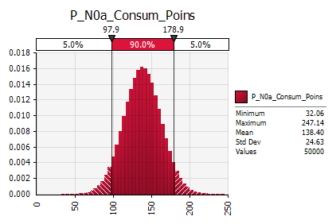 #NAME? |  |  | 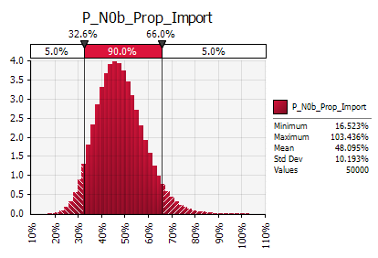 #NAME? |  |  | 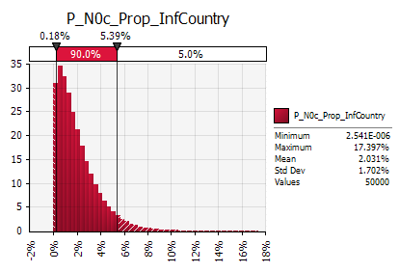 #NAME? |  |  | 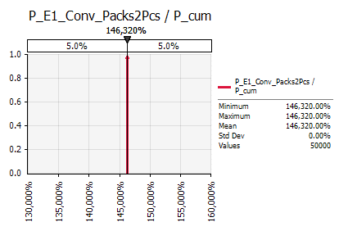 #NAME? |  |  | 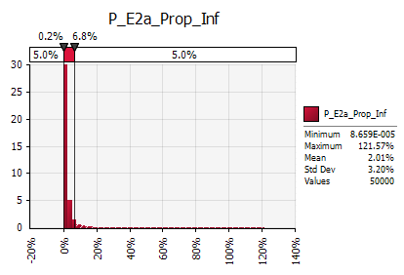 #NAME? |  |  | 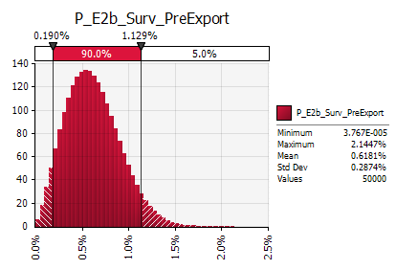 #NAME? |  |  | 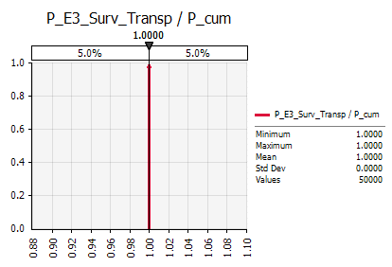 #NAME? |  |  | 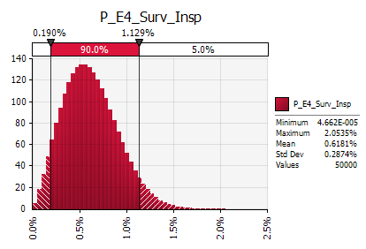 #NAME? |  |  | 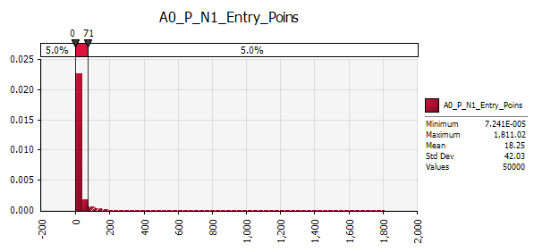 #NAME?
Sensitivity

Establishment Poinsettia

Poinsettia |  |  | Poinsettia |  |  | Poinsettia |  |  |  |  |  |  |  |  |  |  |  |  |  |  |  |  |  | Establishment Poinsettia in Greenhouses |  |  |  |  |  |  |  |  |  |  |  |  | Establishment Poinsettia in Greenhouses
P_B2_Surv_RRPPrePlant |  |  | P_B3a_Conv_Packs2GH |  |  | P_B4_Surv_Cultivation |  |  |  |  |  |  |  |  |  |  |  |  |  |  |  |  |  | N2_EstGH_Poins= | #NAME? | #NAME? | Average number of infested GH with established population |  |  |  |  |  |  |  |  |  | Sensitivity=
Survival of packs after preplanting RRO [%] |  |  | Infested packs used per GH [-] |  |  | Survival of infested GH after cultural practise [%] |  |  |  |  |  |  |  |  |  |  |  |  |  |  |  |  |  |  |  |  | [GH]
 |  |  |  |  |  |  |  |  |  |  |  |  |  |  |  |  |  |  |  |  |  |  |  | Percentile | Factor (SensAnal) | N2_EstGH_Poins= |  | P_B2_Surv_RRPPrePlant | P_B3a_Conv_Packs2GH | P_B4_Surv_Cultivation |  |  |  |  |  |  | Rank | Cell | Parameter | Distribution | RegCoeff | RC^2 | Prop
P_B2_Surv_RRPPrePlant | P_cum | fitted | P_B3a_Conv_Packs2GH | P_cum | fitted | P_B4_Surv_Cultivation | P_cum | fitted |  |  |  |  |  |  |  |  |  |  |  |  |  |  |  | 1.0% | #NAME? | #NAME? |  | #NAME? | #NAME? | #NAME? |  |  |  |  |  |  | #1 | K123 | P_Surv_Cultivation | RiskWeibull(1.7224,0.058608,RiskName("P_Surv_Cultivation"),RiskFit("P_Surv_Cultivation","RMSErr")) | 0.97 | 0.94 | 96%
0% | 0.01 | #NAME? |  | 0.01 | #NAME? | 0.0% | 0.01 | #NAME? |  |  |  |  |  |  |  |  |  |  |  |  |  |  |  | 5.0% | #NAME? | #NAME? |  | #NAME? | #NAME? | #NAME? |  |  |  |  |  |  | #2 | C123 | P_B2_Surv_RRPPrePlant | RiskPert(0.22792,0.99143,1.0013,RiskName("P_B2_Surv_RRPPrePlant"),RiskFit("P_EFF_RRPPrePlant 2","RMSErr")) | 0.21 | 0.04 | 4%
80% | 0.25 | #NAME? |  | 0.25 | #NAME? | 2.5% | 0.25 | #NAME? |  |  |  |  |  |  |  |  |  |  |  |  |  |  |  | 10.0% | #NAME? | #NAME? |  | #NAME? | #NAME? | #NAME? |  |  |  |  |  |  |  |  |  |  |  | 0.00 | 0%
90% | 0.5 | #NAME? |  | 0.5 | #NAME? | 5.0% | 0.5 | #NAME? |  |  |  |  |  |  |  |  |  |  |  |  |  |  |  | 16.6% | #NAME? | #NAME? |  | #NAME? | #NAME? | #NAME? |  |  |  |  |  |  | Sum |  |  |  | R^2= | 0.98 | 100%
95% | 0.75 | #NAME? |  | 0.75 | #NAME? | 7.5% | 0.75 | #NAME? |  |  |  |  |  |  |  |  |  |  |  |  |  |  |  | 25.0% | #NAME? | #NAME? |  | #NAME? | #NAME? | #NAME?
100% | 0.99 | #NAME? |  | 0.99 | #NAME? | 10.0% | 0.99 | #NAME? |  |  |  |  |  |  |  |  |  |  |  |  |  |  |  | 33.3% | #NAME? | #NAME? |  | #NAME? | #NAME? | #NAME?
 |  |  |  |  |  |  |  |  |  |  |  |  |  |  |  |  |  |  |  |  |  |  |  | 50.0% | #NAME? | #NAME? |  | #NAME? | #NAME? | #NAME?
P_B2_Surv_RRPPrePlant | #NAME? | Pert | P_B3a_Conv_Packs2GH | 1.00 | constant | P_B4_Surv_Cultivation | #NAME? | Weibull |  |  |  |  |  |  |  |  |  |  |  |  |  |  |  | 66.7% | #NAME? | #NAME? |  | #NAME? | #NAME? | #NAME?
 |  |  |  |  |  |  |  |  |  |  |  |  |  |  |  |  |  |  |  |  |  |  |  | 75.0% | #NAME? | #NAME? |  | #NAME? | #NAME? | #NAME?
 |  |  |  |  |  |  |  |  |  |  |  |  |  |  |  |  |  |  |  |  |  |  |  | 83.3% | #NAME? | #NAME? |  | #NAME? | #NAME? | #NAME?
 |  |  |  |  |  |  |  |  |  |  |  |  |  |  |  |  |  |  |  |  |  |  |  | 90.0% | #NAME? | #NAME? |  | #NAME? | #NAME? | #NAME?
selected Pert (19/04/2017) |  |  |  |  |  |  |  |  |  |  |  |  |  |  |  |  |  |  |  |  |  |  |  | 95.0% | #NAME? | #NAME? |  | #NAME? | #NAME? | #NAME?
 |  |  |  |  |  |  |  |  |  |  |  |  |  |  |  |  |  |  |  |  |  |  |  | 99.0% | #NAME? | #NAME? |  | #NAME? | #NAME? | #NAME?
 |  |  |  |  |  |  |  |  |  |  |  |  |  |  |  |  |  |  |  |  |  |  |  | Mean | #NAME? | #NAME? |  | #NAME? | #NAME? | #NAME?
 |  |  |  |  |  |  |  |  |  |  |  |  |  |  |  |  |  |  |  |  |  |  |  | Std | #NAME? | #NAME? |  | #NAME? | #NAME? | #NAME?

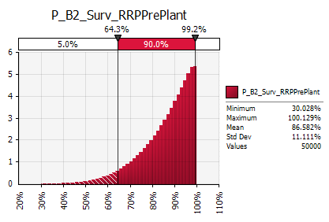 #NAME? |  |  | #NAME? |  |  | 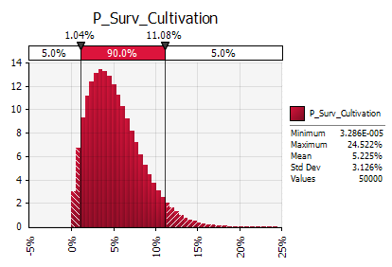 #NAME? |  |  |  |  |  |  |  |  |  |  |  |  |  |  |  |  |  | 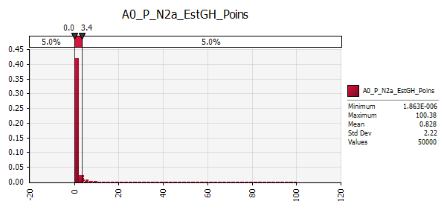 #NAME?
Sensitivity

 |  |  |  |  |  | Poinsettia |  |  | Poinsettia |  |  |  |  |  |  |  |  |  |  |  |  |  |  | Establishment Poinsettia in Outside Environment |  |  |  |  |  |  |  |  |  |  |  |  | Establishment Poinsettia in Outside Environment
 |  |  |  |  |  | P_B3b_Conv_GH2NPop |  |  | P_B5_Prop_EstOut |  |  |  |  |  |  |  |  |  |  |  |  |  |  | N2_EstOut_Poins= | #NAME? | #NAME? | Average number of established population outside GH |  |  |  |  |  |  |  |  |  | Sensitivity=
 |  |  |  |  |  | Average number of founder population per GH [-] |  |  | Proportion of populations established outdoors [%] |  |  |  |  |  |  |  |  |  |  |  |  |  |  |  |  |  | [population]
 |  |  |  |  |  |  |  |  |  |  |  |  |  |  |  |  |  |  |  |  |  |  |  | Percentile | Factor_Est_Poins | N_Est_Poins= |  | P_B2_Surv_RRPPrePlant | P_B3a_Conv_Packs2GH | P_B3b_Conv_GH2NPop | P_B5_Prop_EstOut |  |  |  |  |  | Rank | Cell | Parameter | Distribution | RegCoeff | RC^2 | Prop
 |  |  |  |  |  | P_B3b_Conv_GH2NPop | P_cum | fitted | P_B5_Prop_EstOut | P_cum | fitted |  |  |  |  |  |  |  |  |  |  |  |  | 1.0% | #NAME? | #NAME? |  | #NAME? | #NAME? | #NAME? | #NAME? |  |  |  |  |  | #1 | K149 | P_Conv_GH2NPop | RiskLognorm(0.19015,0.92316,RiskName("P_Conv_GH2NPop"),RiskFit("P_Conv_GH2NPop","RMSErr")) | 0.67 | 0.45 | 95%
 |  |  |  |  |  | 0.00 | 0.01 | #NAME? | 0.0% | 0.01 | #NAME? |  |  |  |  |  |  |  |  |  |  |  |  | 5.0% | #NAME? | #NAME? |  | #NAME? | #NAME? | #NAME? | #NAME? |  |  |  |  |  | #2 | O149 | P_B5_Prop_EstOut | RiskBetaGeneral(0.48695,1.6579,0,1,RiskName("P_B5_Prop_EstOut"),RiskFit("P_Prop_EstOut","RMSErr")) | 0.15 | 0.02 | 5%
 |  |  |  |  |  |  |  |  |  |  |  |  |  |  |  |  |  |  |  |  |  |  |  |  |  |  |  |  |  |  |  |  |  |  |  |  | #3 | C123 | P_B2_Surv_RRPPrePlant | RiskPert(0.22792,0.99143,1.0013,RiskName("P_B2_Surv_RRPPrePlant"),RiskFit("P_EFF_RRPPrePlant 2","RMSErr")) | 0.02 | 0.00 | 0%
 |  |  |  |  |  |  |  |  |  |  |  |  |  |  |  |  |  |  |  |  |  |  |  |  |  |  |  |  |  |  |  |  |  |  |  |  | Sum |  |  |  | R^2= | 0.47 | 100%
...
 |  |  |  |  |  | P_B3b_Conv_GH2NPop | #NAME? | LogNormal | P_B5_Prop_EstOut | #NAME? | GenBeta |  |  |  |  |  |  |  |  |  |  |  |  | 66.7% | #NAME? | #NAME? |  | #NAME? | #NAME? | #NAME?
 |  |  |  |  |  |  |  |  |  |  |  |  |  |  |  |  |  |  |  |  |  |  |  | 75.0% | #NAME? | #NAME? |  | #NAME? | #NAME? | #NAME? | #NAME?
 |  |  |  |  |  |  |  |  |  |  |  |  |  |  |  |  |  |  |  |  |  |  |  | 83.3% | #NAME? | #NAME? |  | #NAME? | #NAME? | #NAME? | #NAME?
 |  |  |  |  |  |  |  |  |  |  |  |  |  |  |  |  |  |  |  |  |  |  |  | 90.0% | #NAME? | #NAME? |  | #NAME? | #NAME? | #NAME? | #NAME?
 |  |  |  |  |  |  |  |  |  |  |  |  |  |  |  |  |  |  |  |  |  |  |  | 95.0% | #NAME? | #NAME? |  | #NAME? | #NAME? | #NAME? | #NAME?
 |  |  |  |  |  |  |  |  |  |  |  |  |  |  |  |  |  |  |  |  |  |  |  | 99.0% | #NAME? | #NAME? |  | #NAME? | #NAME? | #NAME? | #NAME?
 |  |  |  |  |  |  |  |  |  |  |  |  |  |  |  |  |  |  |  |  |  |  |  | Mean | #NAME? | #NAME? |  | #NAME? | #NAME? | #NAME? | #NAME?
 |  |  |  |  |  |  |  |  |  |  |  |  |  |  |  |  |  |  |  |  |  |  |  | Std | #NAME? | #NAME? |  | #NAME? | #NAME? | #NAME? | #NAME?

 |  |  |  |  |  | 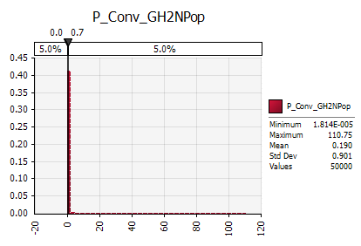 #NAME? |  |  | 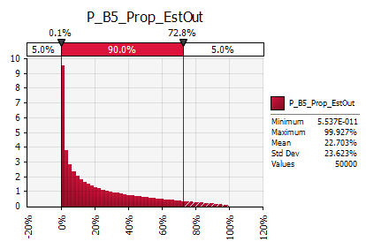 #NAME? |  |  |  |  |  |  |  |  |  |  |  |  |  |  | 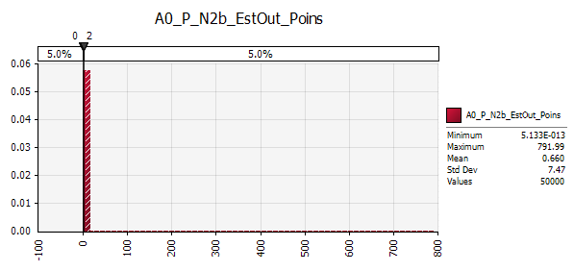 #NAME?
Sensitivity
...
 |  |  | Poinsettia |  |  | Poinsettia |  |  |  |  |  |  |  |  |  |  |  |  |  |  |  |  |  | Spread Poinsettia |  |  |  |  |  |  |  |  |  |  |  |  | Spread Poinsettia
 |  |  | lambda |  |  | Meta-parameter |  |  |  |  |  |  |  |  |  |  |  |  |  |  |  |  |  | N3_Spread_Poins= | #NAME? | #NAME? | Median number of infested NUTS 2 regiona |  |  |  |  |  |  |  |  |  | Sensitivity=
 |  |  | Weight per fruit [kg] |  |  |  |  |  |  |  |  |  |  |  |  |  |  |  |  |  |  |  |  |  |  |  | [NUTS 2]
 |  |  |  |  |  |  | continuous | rounded up |  |  |  |  |  |  |  |  |  |  |  |  |  |  |  | Percentile | continuous | N3_Spread_Poins= |  | K | lambda |  |  |  |  |  |  |  | Rank | Cell | Parameter | Distribution | RegCoeff | RC^2 | Prop
 |  | fitted | lambda | P_cum | fitted | 1st year | #NAME? | #NAME? |  |  |  |  |  |  |  |  |  |  |  |  |  |  |  | 1.0% | #NAME? | #NAME? |  | #NAME? | #NAME? |  |  |  |  |  |  |  | #1 | K149 | P_Conv_GH2NPop | RiskLognorm(0.19015,0.92316,RiskName("P_Conv_GH2NPop"),RiskFit("P_Conv_GH2NPop","RMSErr")) | 0.41 | 0.17 | 67%
 |  |  |  |  |  |  |  |  |  |  |  |  |  |  |  |  |  |  |  |  |  |  |  |  |  |  |  |  |  |  |  |  |  |  |  |  | #2 | S96 | P_E2a_Prop_Inf | RiskLognorm(0.020100,0.032367,RiskName("P_E2a_Prop_Inf"),RiskFit("P_Prop_Inf","RMSErr")) | 0.19 | 0.04 | 15%
 |  |  |  |  |  |  |  |  |  |  |  |  |  |  |  |  |  |  |  |  |  |  |  |  |  |  |  |  |  |  |  |  |  |  |  |  | #3 | O149 | P_B5_Prop_EstOut | RiskBetaGeneral(0.48695,1.6579,0,1,RiskName("P_B5_Prop_EstOut"),RiskFit("P_Prop_EstOut","RMSErr")) | 0.17 | 0.03 | 11%
...
K | 276.0 | Constant | lambda | 1.130 | Contant | 8th year% | #NAME? | #NAME? |  |  |  |  |  |  |  |  |  |  |  |  |  |  |  | 66.7% | #NAME? | #NAME? |  | #NAME? | #NAME?
 |  |  |  |  |  | 9th year% | #NAME? | #NAME? |  |  |  |  |  |  |  |  |  |  |  |  |  |  |  | 75.0% | #NAME? | #NAME? |  | #NAME? | #NAME? |  |  |  |  |  |  |  | - | W96 | P_E2b_Surv_PreExport | RiskWeibull(2.2790,0.0069780,RiskName("P_E2b_Surv_PreExport"),RiskFit("P_Surv_PreExport","RMSErr")) | - | - | 0%
 |  |  |  |  |  | 10th year% | #NAME? | #NAME? |  |  |  |  |  |  |  |  |  |  |  |  |  |  |  | 83.3% | #NAME? | #NAME? |  | #NAME? | #NAME? |  |  |  |  |  |  |  | Sum |  |  |  | R^2= | 0.25 | 100%
 |  |  | based on three other mites |  |  |  |  |  |  |  |  |  |  |  |  |  |  |  |  |  |  |  |  | 90.0% | #NAME? | #NAME? |  | #NAME? | #NAME?
 |  |  |  |  |  |  |  |  |  |  |  |  |  |  |  |  |  |  |  |  |  |  |  | 95.0% | #NAME? | #NAME? |  | #NAME? | #NAME?
 |  |  |  |  |  |  |  |  |  |  |  |  |  |  |  |  |  |  |  |  |  |  |  | 99.0% | #NAME? | #NAME? |  | #NAME? | #NAME?
 |  |  |  |  |  |  |  |  |  |  |  |  |  |  |  |  |  |  |  |  |  |  |  | Mean | #NAME? | #NAME? |  | #NAME? | #NAME?
 |  |  |  |  |  |  |  |  |  |  |  |  |  |  |  |  |  |  |  |  |  |  |  | Std | #NAME? | #NAME? |  | #NAME? | #NAME?

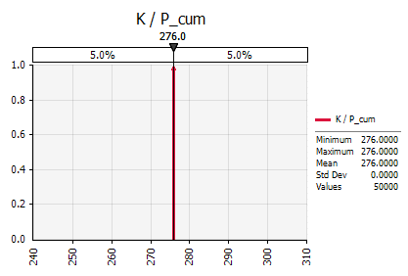 #NAME? |  |  | 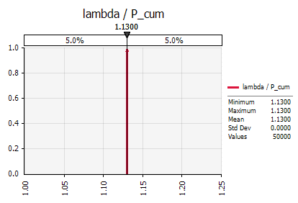 #NAME? |  |  |  |  |  |  |  |  |  |  |  |  |  |  |  |  |  |  |  |  | 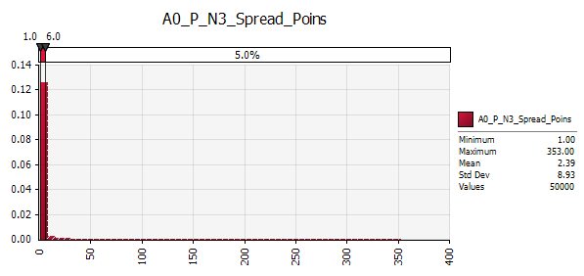 #NAME?
Sensitivity
P_Conv_GH2NPop | 67%
P_E2a_Prop_Inf | 15%
P_B5_Prop_EstOut | 11%
P_N0c_Prop_InfCountry | 6%
P_N0b_Prop_Import | 1%
P_N0a_Consum_Poins | 0%
P_B2_Surv_RRPPrePlant | 0%
P_E4_Surv_Insp | 0%
P_E2b_Surv_PreExport | 0%

Entry (Citrus)

Citrus |  |  | Citrus |  |  | Citrus |  |  | Citrus |  |  | Citrus |  |  | Citrus |  |  | Citrus |  |  | Citrus |  |  | Entry Citrus |  |  |  |  |  |  |  |  |  |  |  |  | Entry Citrus
C_N0_Import_Citrus |  |  | C_E1_Conv_t2Pcs |  |  | C_E2a_Inf_PreHarv |  |  | C_E2b_Surv_PostHarv |  |  | C_E2c_Surv_Cert |  |  | C_E3_Surv_Transp |  |  | C_E4_Surv_Insp |  |  | C_E5_Prop_Host |  |  | N1_Entry_Citrus= |  | #NAME? | Average number of infested fruits entering Europe |  |  |  |  |  |  |  |  |  | Sensitivity=
Imported citrus into EU [million kg] |  |  | Weight per fruit [kg] |  |  | Proportion of infested fruits at origin [%] |  |  | Survival of infested fruits after post harvest [%] |  |  | Survival of infested fruits after quality check [%] |  |  | Survival of infested fruits after Transport [%] |  |  | [%] |  |  | [%] |  |  |  |  |  | [pieces]
 |  |  |  |  |  |  |  |  |  |  |  |  |  |  |  |  |  |  |  |  |  |  |  | Percentile |  | N1_Entry_Citrus= |  | C_N0_Import_Citrus | C_E1_Conv_t2Pcs | C_E2a_Inf_PreHarv | C_E2b_Surv_PostHarv | C_E2c_Surv_Cert | C_E3_Surv_Transp | C_E4_Surv_Insp | C_E5_Prop_Host |  | Rank | Cell | Parameter | Distribution | RegCoeff | RC^2 | Prop
C_N0_Import_Citrus | P_cum | fitted | C_E1_Conv_t2Pcs | P_cum | fitted | C_E2a_Inf_PreHarv | P_cum | fitted | C_E2b_Surv_PostHarv | P_cum | fitted | C_E2c_Surv_Cert | P_cum | fitted | C_E3_Surv_Transp | P_cum | fitted | C_E4_Surv_Insp | P_cum | fitted | C_E5_Prop_Host | P_cum | fitted | 1.0% |  | #NAME? |  | #NAME? | #NAME? | #NAME? | #NAME? | #NAME? | #NAME? | #NAME? | #NAME? |  | #1 | K203 | C_Inf_PreHarv | RiskGamma(0.45043,0.00049314,RiskName("C_Inf_PreHarv"),RiskFit("C_Inf_PreHarv","RMSErr")) | 0.50 | 0.25 | 59%
 |  |  |  |  |  |  |  |  |  |  |  |  |  |  |  |  |  |  |  |  |  |  |  |  |  |  |  |  |  |  |  | #NAME? | #NAME? | #NAME? | #NAME? |  | #2 | O203 | C_E2b_Surv_PostHarv | RiskLognorm(7.89623e-005,8.82821e-005,RiskName("C_E2b_Surv_PostHarv"),RiskFit("C_E2b_Surv_PostHarv","RMSErr")) | 0.37 | 0.14 | 31%
 |  |  |  |  |  |  |  |  |  |  |  |  |  |  |  |  |  |  |  |  |  |  |  |  |  |  |  |  |  |  |  | #NAME? | #NAME? | #NAME? | #NAME? |  | #3 | AE203 | C_E5_Prop_Host_E11 | RiskWeibull(1.7224,0.00011722,RiskName("C_E5_Prop_Host_E11"),RiskFit("C_Prop_Host_E11","RMSErr")) | 0.20 | 0.04 | 9%
...
C_N0_Import_Citrus | #NAME? | Gamma | C_E1_Conv_t2Pcs | 0.128 | Constant | C_E2a_Inf_PreHarv | #NAME? | Gamma | C_E2b_Surv_PostHarv | #NAME? | LogNorm | C_E2c_Surv_Cert | #NAME? | Weibull | C_E3_Surv_Transp | 100.0% | Constant | C_E4_Surv_Insp | #NAME? | Weibull | C_E5_Prop_Host | #NAME? | Weibull | 66.7% |  | #NAME? |  | #NAME? | #NAME? | #NAME?
 |  |  |  |  |  |  |  |  |  |  |  |  |  |  |  |  |  |  |  |  |  |  |  | 75.0% |  | #NAME? |  | #NAME? | #NAME? | #NAME? | #NAME? | #NAME? | #NAME? | #NAME? | #NAME? |  | Sum |  |  |  | R^2= | 0.43 | 100%
 |  |  |  |  |  |  |  |  |  |  |  | 0.0% | 0.01 |  |  |  |  | 0.0% | 0.01 |  |  |  |  | 83.3% |  | #NAME? |  | #NAME? | #NAME? | #NAME? | #NAME? | #NAME? | #NAME? | #NAME? | #NAME?
 |  |  |  |  |  |  |  |  |  |  |  | 0.4% | 0.25 |  |  |  |  | 0.4% | 0.25 |  |  |  |  | 90.0% |  | #NAME? |  | #NAME? | #NAME? | #NAME? | #NAME? | #NAME? | #NAME? | #NAME? | #NAME?
 |  |  |  |  |  |  |  |  |  |  |  | 0.6% | 0.5 |  |  |  |  | 0.6% | 0.5 |  |  |  |  | 95.0% |  | #NAME? |  | #NAME? | #NAME? | #NAME? | #NAME? | #NAME? | #NAME? | #NAME? | #NAME?
 |  |  |  |  |  |  |  |  |  |  |  | 0.8% | 0.75 |  |  |  |  | 0.8% | 0.75 |  |  |  |  | 99.0% |  | #NAME? |  | #NAME? | #NAME? | #NAME? | #NAME? | #NAME? | #NAME? | #NAME? | #NAME?
 |  |  |  |  |  |  |  |  |  |  |  | 1.5% | 0.99 |  |  |  |  | 1.5% | 0.99 |  |  |  |  | Mean |  | #NAME? |  | #NAME? | #NAME? | #NAME? | #NAME? | #NAME? | #NAME? | #NAME? | #NAME?
 |  |  |  |  |  |  |  |  |  |  |  |  |  |  |  |  |  |  |  |  |  |  |  | Std |  | #NAME? |  | #NAME? | #NAME? | #NAME? | #NAME? | #NAME? | #NAME? | #NAME? | #NAME?

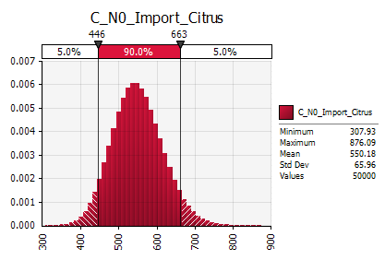 #NAME? |  |  | 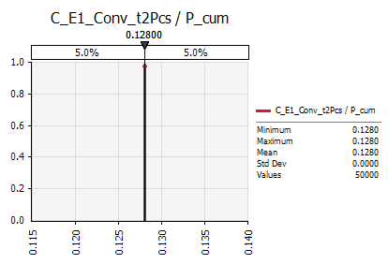 #NAME? |  |  | 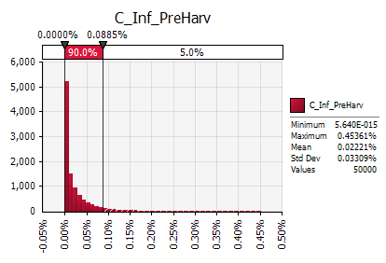 #NAME? |  |  | 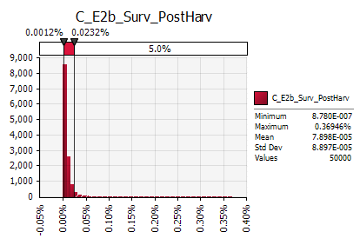 #NAME? |  |  | 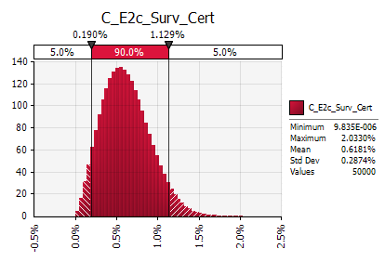 #NAME? |  |  | 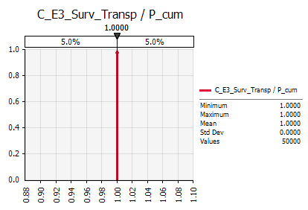 #NAME? |  |  | 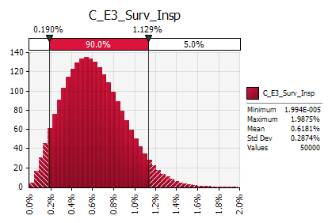 #NAME? |  |  | 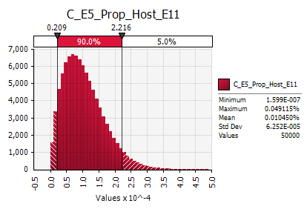 #NAME? |  |  | 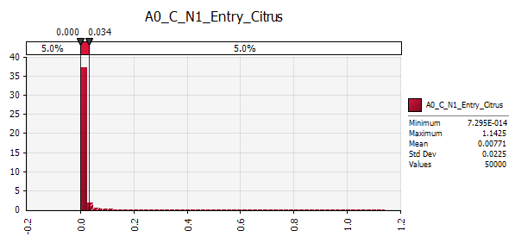 #NAME?
Sensitivity
C_Inf_PreHarv | 59%
C_E2b_Surv_PostHarv | 31%
C_E5_Prop_Host_E11 | 9%
C_N0_Import_Citrus | 0%
C_E3_Surv_Insp | 0%
C_E2c_Surv_Cert | 0%

Software |  | @RISK 7.5.1 Professional
SEED |  | Fixed=20170322
Method |  | Latin Hypercube/Mersenne Twister
Runs |  | 50000

A1
...
Strawberry |  |  | Strawberry |  |  | Strawberry |  |  | Strawberry |  |  | Strawberry |  |  | Strawberry
S_N0_Import_Straw | #NAME? | Baseline | S_E1a_Conv_Pcs2kg | 0.035 | Baseline | S_E1b_Conv_Packs2Pcs | 1200 | Baseline | S_E2_Prop_InfUS | #NAME? | Baseline | S_E3_Surv_Trans | #NAME? | Baseline | S_E4_Surv_Insp | #NAME? | Baseline
 |  |  |  |  |  |  |  |  |  |  |  |  |  |  |  |  |  | 75.0% |  | #NAME? |  | #NAME? | #NAME? | #NAME? | #NAME? | #NAME? | #NAME?
 |  |  |  |  |  |  |  |  |  |  |  |  |  |  |  |  |  | 83.3% |  | #NAME? |  | #NAME? | #NAME? | #NAME? | #NAME? | #NAME? | #NAME?
 |  |  |  |  |  |  |  |  |  |  |  |  |  |  |  |  |  | 90.0% |  | #NAME? |  | #NAME? | #NAME? | #NAME? | #NAME? | #NAME? | #NAME?
 |  |  |  |  |  |  |  |  |  |  |  |  |  |  |  |  |  | 95.0% |  | #NAME? |  | #NAME? | #NAME? | #NAME? | #NAME? | #NAME? | #NAME?
 |  |  |  |  |  |  |  |  |  |  |  |  |  |  |  |  |  | 99.0% |  | #NAME? |  | #NAME? | #NAME? | #NAME? | #NAME? | #NAME? | #NAME?
 |  |  |  |  |  |  |  |  |  |  |  |  |  |  |  |  |  | Mean |  | #NAME? |  | #NAME? | #NAME? | #NAME? | #NAME? | #NAME? | #NAME?
 |  |  |  |  |  |  |  |  |  |  |  |  |  |  |  |  |  | Std |  | #NAME? |  | #NAME? | #NAME? | #NAME? | #NAME? | #NAME? | #NAME?

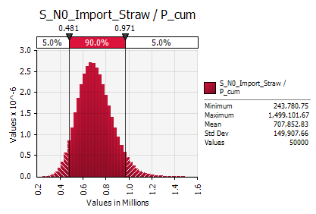 #NAME? |  |  | 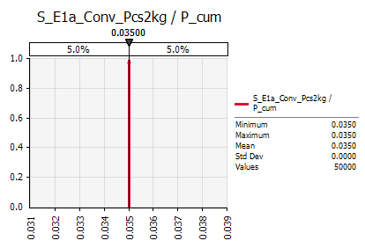 #NAME? |  |  | 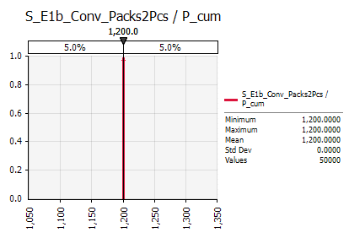 #NAME? |  |  | 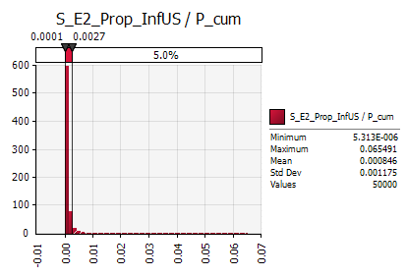 #NAME? |  |  | 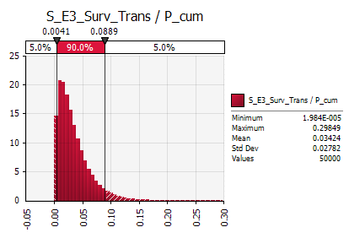 #NAME? |  |  | #NAME? |  |  | #NAME?
Sensitivity
 | 74%
 | 24%
 | 2%
 | 0%

Establishment (Strawberry, new: in nurseries + in fruit production area)

Strawberry |  |  | Strawberry |  |  | Strawberry |  |  | Strawberry |  |  | Strawberry |  |  |  |  |  | Strawberry Establishment in Castilla y Leon |  |  |  |  |  |  |  |  |  |  |  |  | Strawberry Establishment in Castilla y Leon
S_B1_Surv_Stor |  |  | S_B2a_Surv_RROpreplantCyL |  |  | S_B3a_Conv_Packs2ha |  |  | S_B4_Surv_RROpostPlant |  |  | S_B5a_Suit_EnvironCyL |  |  |  |  |  | N2_EstCyL straw= | #NAME? | #NAME? | Average number of infested ha with established population in Catilla y Leon |  |  |  |  |  |  |  |  |  | Sensitivity=
Survival of infested packs after storage in EU [%] |  |  | Survival of infested packs after preplanting treatment [%] |  |  | Number of infested packs per ha [1/ha] |  |  | Survival of plants during GAP inspection [%] |  |  | Survival under conditions of Castilla y Leon [%] |  |  |  |  |  |  |  |  | [ha]
 |  |  |  |  |  |  |  |  |  |  |  |  |  |  |  |  |  | Percentile | Factor (SensAnal) | N2_EstCyL straw= |  | S_B1_Surv_Stor | S_B2a_Surv_RROpreplantCyL | S_B3a_Conv_Packs2ha | S_B4_Surv_RROpostPlant | S_B5a_Suit_EnvironCyL |  |  |  |  | Rank | Cell | Parameter | Distribution | RegCoeff | RC^2 | Prop
S_B1_Surv_Stor | P_cum | fitted | S_B2a_Surv_RROpreplantCyL | P_cum | fitted | S_B3a_Conv_Packs2ha | P_cum | fitted | S_B4_Surv_RROpostPlant | P_cum | fitted | S_B5a_Suit_EnvironCyL | P_cum | fitted |  |  |  | 1.0% | #NAME? | #NAME? |  | #NAME? | #NAME? | #NAME? | #NAME? | #NAME? |  |  |  |  |  |  |  |  | 0.23 | 0.05 | 27%
 |  |  |  |  |  |  |  |  |  |  |  |  |  |  |  |  |  |  |  |  |  |  |  |  |  | #NAME? |  |  |  |  |  |  |  |  | 0.23 | 0.05 | 26%
 |  |  |  |  |  |  |  |  |  |  |  |  |  |  |  |  |  |  |  |  |  |  |  |  |  | #NAME? |  |  |  |  |  |  |  |  | 0.19 | 0.04 | 18%
...
 |  |  |  |  |  |  |  |  |  |  |  |  |  |  |  |  |  |  |  |  |  |  |  |  |  | #NAME?
 |  |  |  |  |  |  |  |  |  |  |  |  |  |  |  |  |  |  |  |  |  |  |  |  |  | #NAME?
 |  |  |  |  |  |  |  |  |  |  |  |  |  |  |  |  |  |  |  |  |  |  |  |  |  | #NAME?
 |  |  |  |  |  |  |  |  |  |  |  |  |  |  |  |  |  |  |  |  |  |  |  |  |  | #NAME?
 |  |  |  |  |  |  |  |  |  |  |  |  |  |  |  |  |  |  |  |  |  |  |  |  |  | #NAME?
 |  |  |  |  |  |  |  |  |  |  |  |  |  |  |  |  |  |  |  |  |  |  |  |  |  | #NAME?
 |  |  |  |  |  |  |  |  |  |  |  |  |  |  |  |  |  |  |  |  |  |  |  |  |  | #NAME?
...
Sensitivity
 | 27%
 | 26%
 | 18%
 | 18%
 | 11%

 |  |  |  |  |  |  |  |  |  |  |  |  |  |  |  |  |  |  |  |  |  |  |  |  |  |  |  |  |  |  | Strawberry Establishment in Huelva
 |  |  |  |  |  |  |  |  |  |  |  |  |  |  |  |  |  |  |  |  |  |  |  |  |  |  |  |  |  |  | Sensitivity=
...
 |  |  |  |  |  |  |  |  |  |  |  |  |  |  |  |  |  |  |  |  |  |  |  |  |  | S_B4_Surv_RROpostPlant | S_B2b_Surv_RROprefruitH | S_B2c_Prop_TransfRun | S_B3c_Conv_InfRun2ha | S_B5b_Suit_EnvironH | Rank | Cell | Parameter | Distribution | RegCoeff | RC^2 | Prop
 |  |  |  |  |  |  |  |  |  |  |  |  |  |  |  |  |  |  |  |  |  |  |  |  |  | #NAME? | #NAME? | #NAME? | #NAME? | #NAME? |  |  |  |  | 0.20 | 0.04 | 22%
 |  |  |  |  |  |  |  |  |  |  |  |  |  |  |  |  |  |  |  |  |  |  |  |  |  | #NAME? | #NAME? | #NAME? | #NAME? | #NAME? |  |  |  |  | 0.19 | 0.04 | 20%
 |  |  |  |  |  |  |  |  |  |  |  |  |  |  |  |  |  |  |  |  |  |  |  |  |  | #NAME? | #NAME? | #NAME? | #NAME? | #NAME? |  |  |  |  | 0.19 | 0.04 | 20%
 |  |  |  |  |  |  |  |  |  |  |  |  |  |  |  |  |  |  |  |  |  |  |  |  |  | #NAME? | #NAME? | #NAME? | #NAME? | #NAME? |  |  |  |  | 0.18 | 0.03 | 18%
 |  |  |  |  |  |  |  |  |  |  |  |  |  |  |  |  |  |  |  |  |  |  |  |  |  | #NAME? | #NAME? | #NAME? | #NAME? | #NAME? |  |  |  |  | (0.15) | 0.02 | 13%
...
 |  |  |  |  |  |  |  |  |  |  |  |  |  |  |  |  |  |  |  |  |  |  |  |  |  | #NAME? | #NAME? | #NAME? | #NAME? | #NAME?
 |  |  |  |  |  |  |  |  |  |  |  |  |  |  |  |  |  |  |  |  |  |  |  |  |  | #NAME? | #NAME? | #NAME? | #NAME? | #NAME?
 |  |  |  |  |  |  |  |  |  |  |  |  |  |  |  |  |  |  |  |  |  |  |  |  |  | #NAME? | #NAME? | #NAME? | #NAME? | #NAME?
 |  |  |  |  |  |  |  |  |  |  |  |  |  |  |  |  |  |  |  |  |  |  |  |  |  | #NAME? | #NAME? | #NAME? | #NAME? | #NAME?
 |  |  |  |  |  |  |  |  |  |  |  |  |  |  |  |  |  |  |  |  |  |  |  |  |  | #NAME? | #NAME? | #NAME? | #NAME? | #NAME?
 |  |  |  |  |  |  |  |  |  |  |  |  |  |  |  |  |  |  |  |  |  |  |  |  |  | #NAME? | #NAME? | #NAME? | #NAME? | #NAME?
 |  |  |  |  |  |  |  |  |  |  |  |  |  |  |  |  |  |  |  |  |  |  |  |  |  | #NAME? | #NAME? | #NAME? | #NAME? | #NAME?
...
Sensitivity
 | 22%
 | 20%
 | 20%
 | 18%
 | 13%
 | 7%
...
 |  |  |  |  |  |  |  |  |  |  |  |  |  |  |  |  |  |  |  |  |  |  |  |  |  |  |  |  |  |  | Entry Poinsettia
 |  |  |  |  |  |  |  |  |  |  |  |  |  |  |  |  |  |  |  |  |  |  |  |  |  |  |  |  |  |  | Sensitivity=
...
 |  |  |  |  |  |  |  |  |  |  |  |  |  |  |  |  |  |  |  |  |  |  |  |  |  | P_E2a_Prop_Inf | Surv_E2b_PreExport | P_E3_Surv_Transp | P_E4_Surv_Insp |  | Rank | Cell | Parameter | Distribution | RegCoeff | RC^2 | Prop
 |  |  |  |  |  |  |  |  |  |  |  |  |  |  |  |  |  |  |  |  |  |  |  |  |  | #NAME? | #NAME? | #NAME? | #NAME? |  |  |  |  |  | 0.67 | 0.45 | 74%
 |  |  |  |  |  |  |  |  |  |  |  |  |  |  |  |  |  |  |  |  |  |  |  |  |  | #NAME? | #NAME? | #NAME? | #NAME? |  |  |  |  |  | 0.37 | 0.14 | 23%
 |  |  |  |  |  |  |  |  |  |  |  |  |  |  |  |  |  |  |  |  |  |  |  |  |  | #NAME? | #NAME? | #NAME? | #NAME? |  |  |  |  |  | 0.10 | 0.01 | 2%
...
 |  |  |  |  |  |  |  |  |  |  |  |  |  |  |  |  |  |  |  |  |  |  |  |  |  | #NAME? | #NAME? | #NAME? | #NAME?
 |  |  |  |  |  |  |  |  |  |  |  |  |  |  |  |  |  |  |  |  |  |  |  |  |  | #NAME? | #NAME? | #NAME? | #NAME?
 |  |  |  |  |  |  |  |  |  |  |  |  |  |  |  |  |  |  |  |  |  |  |  |  |  | #NAME? | #NAME? | #NAME? | #NAME?
 |  |  |  |  |  |  |  |  |  |  |  |  |  |  |  |  |  |  |  |  |  |  |  |  |  | #NAME? | #NAME? | #NAME? | #NAME?
 |  |  |  |  |  |  |  |  |  |  |  |  |  |  |  |  |  |  |  |  |  |  |  |  |  | #NAME? | #NAME? | #NAME? | #NAME?
 |  |  |  |  |  |  |  |  |  |  |  |  |  |  |  |  |  |  |  |  |  |  |  |  |  | #NAME? | #NAME? | #NAME? | #NAME?
 |  |  |  |  |  |  |  |  |  |  |  |  |  |  |  |  |  |  |  |  |  |  |  |  |  | #NAME? | #NAME? | #NAME? | #NAME?
...
Sensitivity
 | 74%
 | 23%
 | 2%
 | 1%
 | 0%
 | 0%
...
 |  |  |  |  |  |  |  |  |  |  |  |  |  |  |  |  |  |  |  |  |  |  |  |  |  |  |  |  |  |  | Establishment Poinsettia in Greenhouses
 |  |  |  |  |  |  |  |  |  |  |  |  |  |  |  |  |  |  |  |  |  |  |  |  |  |  |  |  |  |  | Sensitivity=
...
 |  |  |  |  |  |  |  |  |  |  |  |  |  |  |  |  |  |  |  |  |  |  |  |  |  |  |  |  |  |  | Rank | Cell | Parameter | Distribution | RegCoeff | RC^2 | Prop
 |  |  |  |  |  |  |  |  |  |  |  |  |  |  |  |  |  |  |  |  |  |  |  |  |  |  |  |  |  |  |  |  |  |  | 0.97 | 0.94 | 96%
 |  |  |  |  |  |  |  |  |  |  |  |  |  |  |  |  |  |  |  |  |  |  |  |  |  |  |  |  |  |  |  |  |  |  | 0.21 | 0.04 | 4%
 |  |  |  |  |  |  |  |  |  |  |  |  |  |  |  |  |  |  |  |  |  |  |  |  |  |  |  |  |  |  |  |  |  |  |  | 0.00 | 0%
...
Sensitivity

 |  |  |  |  |  |  |  |  |  |  |  |  |  |  |  |  |  |  |  |  |  |  |  |  |  |  |  |  |  |  | Establishment Poinsettia in Outside Environment
 |  |  |  |  |  |  |  |  |  |  |  |  |  |  |  |  |  |  |  |  |  |  |  |  |  |  |  |  |  |  | Sensitivity=
...
 |  |  |  |  |  |  |  |  |  |  |  |  |  |  |  |  |  |  |  |  |  |  |  |  |  |  |  |  |  |  | Rank | Cell | Parameter | Distribution | RegCoeff | RC^2 | Prop
 |  |  |  |  |  |  |  |  |  |  |  |  |  |  |  |  |  |  |  |  |  |  |  |  |  |  |  |  |  |  |  |  |  |  | 0.67 | 0.45 | 95%
 |  |  |  |  |  |  |  |  |  |  |  |  |  |  |  |  |  |  |  |  |  |  |  |  |  |  |  |  |  |  |  |  |  |  | 0.15 | 0.02 | 5%
 |  |  |  |  |  |  |  |  |  |  |  |  |  |  |  |  |  |  |  |  |  |  |  |  |  |  |  |  |  |  |  |  |  |  | 0.02 | 0.00 | 0%
 |  |  |  |  |  |  |  |  |  |  |  |  |  |  |  |  |  |  |  |  |  |  |  |  |  |  |  |  |  |  | Sum |  |  |  | R^2= | 0.47 | 100%
...
Sensitivity
...
 |  |  |  |  |  |  |  |  |  |  |  |  |  |  |  |  |  |  |  |  |  |  |  |  |  |  |  |  |  |  | Entry Citrus
 |  |  |  |  |  |  |  |  |  |  |  |  |  |  |  |  |  |  |  |  |  |  |  |  |  |  |  |  |  |  | Sensitivity=
...
 |  |  |  |  |  |  |  |  |  |  |  |  |  |  |  |  |  |  |  |  |  |  |  |  |  |  |  |  |  |  | Rank | Cell | Parameter | Distribution | RegCoeff | RC^2 | Prop
 |  |  |  |  |  |  |  |  |  |  |  |  |  |  |  |  |  |  |  |  |  |  |  |  |  |  |  |  |  |  |  |  |  |  | 0.41 | 0.17 | 67%
 |  |  |  |  |  |  |  |  |  |  |  |  |  |  |  |  |  |  |  |  |  |  |  |  |  |  |  |  |  |  |  |  |  |  | 0.19 | 0.04 | 15%
 |  |  |  |  |  |  |  |  |  |  |  |  |  |  |  |  |  |  |  |  |  |  |  |  |  |  |  |  |  |  |  |  |  |  | 0.17 | 0.03 | 11%
...
 |  |  |  |  |  |  |  |  |  |  |  |  |  |  |  |  |  |  |  |  |  |  |  |  |  |  |  |  |  |  |  |  |  |  | - | - | 0%
 |  |  |  |  |  |  |  |  |  |  |  |  |  |  |  |  |  |  |  |  |  |  |  |  |  |  |  |  |  |  | Sum |  |  |  | R^2= | 0.25 | 100%
...
Sensitivity
 | 67%
 | 15%
 | 11%
 | 6%
 | 1%
 | 0%
 | 0%
 | 0%
 | 0%
...
 |  |  |  |  |  |  |  |  |  |  |  |  |  |  |  |  |  |  |  |  |  |  |  |  |  |  |  |  |  |  | Entry Citrus
 |  |  |  |  |  |  |  |  |  |  |  |  |  |  |  |  |  |  |  |  |  |  |  |  |  |  |  |  |  |  | Sensitivity=
...
 |  |  |  |  |  |  |  |  |  |  |  |  |  |  |  |  |  |  |  |  |  |  |  |  |  | C_E2c_Surv_Cert | C_E3_Surv_Transp | C_E4_Surv_Insp | C_E5_Prop_Host |  | Rank | Cell | Parameter | Distribution | RegCoeff | RC^2 | Prop
 |  |  |  |  |  |  |  |  |  |  |  |  |  |  |  |  |  |  |  |  |  |  |  |  |  | #NAME? | #NAME? | #NAME? | #NAME? |  |  |  |  |  | 0.52 | 0.27 | 61%
 |  |  |  |  |  |  |  |  |  |  |  |  |  |  |  |  |  |  |  |  |  |  |  |  |  | #NAME? | #NAME? | #NAME? | #NAME? |  |  |  |  |  | 0.36 | 0.13 | 30%
 |  |  |  |  |  |  |  |  |  |  |  |  |  |  |  |  |  |  |  |  |  |  |  |  |  | #NAME? | #NAME? | #NAME? | #NAME? |  |  |  |  |  | 0.20 | 0.04 | 9%
...
 |  |  |  |  |  |  |  |  |  |  |  |  |  |  |  |  |  |  |  |  |  |  |  |  |  | #NAME? | #NAME? | #NAME? | #NAME? |  | Sum |  |  |  | R^2= | 0.44 | 100%
 |  |  |  |  |  |  |  |  |  |  |  |  |  |  |  |  |  |  |  |  |  |  |  |  |  | #NAME? | #NAME? | #NAME? | #NAME?
 |  |  |  |  |  |  |  |  |  |  |  |  |  |  |  |  |  |  |  |  |  |  |  |  |  | #NAME? | #NAME? | #NAME? | #NAME?
 |  |  |  |  |  |  |  |  |  |  |  |  |  |  |  |  |  |  |  |  |  |  |  |  |  | #NAME? | #NAME? | #NAME? | #NAME?
 |  |  |  |  |  |  |  |  |  |  |  |  |  |  |  |  |  |  |  |  |  |  |  |  |  | #NAME? | #NAME? | #NAME? | #NAME?
 |  |  |  |  |  |  |  |  |  |  |  |  |  |  |  |  |  |  |  |  |  |  |  |  |  | #NAME? | #NAME? | #NAME? | #NAME?
 |  |  |  |  |  |  |  |  |  |  |  |  |  |  |  |  |  |  |  |  |  |  |  |  |  | #NAME? | #NAME? | #NAME? | #NAME?
...
Sensitivity
 | 61%
 | 30%
 | 9%
 | 1%
 | 0%
 | 0%

A2
...
 |  |  |  |  | Strawberry Entry
#NAME? | #NAME?
#NAME? | #NAME?
#NAME? | #NAME?
#NAME? | #NAME?
#NAME? | #NAME?
#NAME? | #NAME?
#NAME? | #NAME?
...
Sensitivity
 | 74%
 | 24%
 | 2%
 | 0%
...
 |  |  |  |  | Strawberry Establishment in Castilla y Leon
 |  |  |  |  | Sensitivity=
...
S_B5a_Suit_EnvironCyL |  |  |  |  | Rank | Cell | Parameter | Distribution | RegCoeff | RC^2 | Prop
#NAME? |  |  |  |  |  |  |  |  | 0.23 | 0.05 | 27%
#NAME? |  |  |  |  |  |  |  |  | 0.23 | 0.05 | 26%
#NAME? |  |  |  |  |  |  |  |  | 0.19 | 0.04 | 18%
...
#NAME?
#NAME?
#NAME?
#NAME?
#NAME?
#NAME?
#NAME?
...
Sensitivity
 | 27%
 | 26%
 | 18%
 | 18%
 | 11%

 |  |  |  |  | Strawberry Establishment in Huelva
 |  |  |  |  | Sensitivity=
...
S_B4_Surv_RROpostPlant | S_B2b_Surv_RROprefruitH | S_B2c_Prop_TransfRun | S_B3c_Conv_InfRun2ha | S_B5b_Suit_EnvironH | Rank | Cell | Parameter | Distribution | RegCoeff | RC^2 | Prop
#NAME? | #NAME? | #NAME? | #NAME? | #NAME? |  |  |  |  | 0.20 | 0.04 | 22%
#NAME? | #NAME? | #NAME? | #NAME? | #NAME? |  |  |  |  | 0.19 | 0.04 | 20%
#NAME? | #NAME? | #NAME? | #NAME? | #NAME? |  |  |  |  | 0.19 | 0.04 | 20%
#NAME? | #NAME? | #NAME? | #NAME? | #NAME? |  |  |  |  | 0.18 | 0.03 | 18%
#NAME? | #NAME? | #NAME? | #NAME? | #NAME? |  |  |  |  | (0.15) | 0.02 | 13%
...
#NAME? | #NAME? | #NAME? | #NAME? | #NAME?
#NAME? | #NAME? | #NAME? | #NAME? | #NAME?
#NAME? | #NAME? | #NAME? | #NAME? | #NAME?
#NAME? | #NAME? | #NAME? | #NAME? | #NAME?
#NAME? | #NAME? | #NAME? | #NAME? | #NAME?
#NAME? | #NAME? | #NAME? | #NAME? | #NAME?
#NAME? | #NAME? | #NAME? | #NAME? | #NAME?
...
Sensitivity
 | 22%
 | 20%
 | 20%
 | 18%
 | 13%
 | 7%
...
 |  |  |  |  | Entry Poinsettia
 |  |  |  |  | Sensitivity=
...
P_E2a_Prop_Inf | Surv_E2b_PreExport | P_E3_Surv_Transp | P_E4_Surv_Insp |  | Rank | Cell | Parameter | Distribution | RegCoeff | RC^2 | Prop
#NAME? | #NAME? | #NAME? | #NAME? |  | #1 | S96 | P_E2a_Prop_Inf | RiskLognorm(0.020100,0.032367,RiskName("P_E2a_Prop_Inf"),RiskFit("P_Prop_Inf","RMSErr")) | 0.68 | 0.47 | 76%
#NAME? | #NAME? | #NAME? | #NAME? |  | #2 | K96 | P_N0c_Prop_InfCountry | RiskWeibull(1.1980,0.021578,RiskName("P_N0c_Prop_InfCountry"),RiskFit("P_N0c_Prop_InfCountry","RMSErr")) | 0.37 | 0.13 | 22%
#NAME? | #NAME? | #NAME? | #NAME? |  | #3 | G96 | P_N0b_Prop_Import | RiskGamma(22.263,0.021603,RiskName("P_N0b_Prop_Import"),RiskFit("P_Prop_Import","RMSErr")) | 0.09 | 0.01 | 1%
...
#NAME? | #NAME? | #NAME? | #NAME?
#NAME? | #NAME? | #NAME? | #NAME?
#NAME? | #NAME? | #NAME? | #NAME?
#NAME? | #NAME? | #NAME? | #NAME?
#NAME? | #NAME? | #NAME? | #NAME?
#NAME? | #NAME? | #NAME? | #NAME?
#NAME? | #NAME? | #NAME? | #NAME?
...
Sensitivity
P_E2a_Prop_Inf | 76%
P_N0c_Prop_InfCountry | 22%
P_N0b_Prop_Import | 1%
P_N0a_Consum_Poins | 1%
P_E4_Surv_Insp | 0%
P_E2b_Surv_PreExport | 0%
...
 |  |  |  |  | Establishment Poinsettia in Greenhouses
 |  |  |  |  | Sensitivity=
...
 |  |  |  |  | Rank | Cell | Parameter | Distribution | RegCoeff | RC^2 | Prop
 |  |  |  |  | #1 | K123 | P_Surv_Cultivation | RiskWeibull(1.7224,0.058608,RiskName("P_Surv_Cultivation"),RiskFit("P_Surv_Cultivation","RMSErr")) | 0.97 | 0.94 | 96%
 |  |  |  |  | #2 | C123 | P_B2_Surv_RRPPrePlant | RiskPert(0.22792,0.99143,1.0013,RiskName("P_B2_Surv_RRPPrePlant"),RiskFit("P_EFF_RRPPrePlant 2","RMSErr")) | 0.21 | 0.04 | 4%
 |  |  |  |  |  |  |  |  |  | 0.00 | 0%
...
Sensitivity

 |  |  |  |  | Establishment Poinsettia in Outside Environment
 |  |  |  |  | Sensitivity=
...
 |  |  |  |  | Rank | Cell | Parameter | Distribution | RegCoeff | RC^2 | Prop
 |  |  |  |  | #1 | K149 | P_Conv_GH2NPop | RiskLognorm(0.19015,0.92316,RiskName("P_Conv_GH2NPop"),RiskFit("P_Conv_GH2NPop","RMSErr")) | 0.71 | 0.50 | 95%
 |  |  |  |  | #2 | O149 | P_B5_Prop_EstOut | RiskBetaGeneral(0.48695,1.6579,0,1,RiskName("P_B5_Prop_EstOut"),RiskFit("P_Prop_EstOut","RMSErr")) | 0.16 | 0.02 | 5%
 |  |  |  |  | #3 | C123 | P_B2_Surv_RRPPrePlant | RiskPert(0.22792,0.99143,1.0013,RiskName("P_B2_Surv_RRPPrePlant"),RiskFit("P_EFF_RRPPrePlant 2","RMSErr")) | 0.02 | 0.00 | 0%
 |  |  |  |  | Sum |  |  |  | R^2= | 0.52 | 100%
...
Sensitivity
...
 |  |  |  |  | Entry Citrus
 |  |  |  |  | Sensitivity=
...
 |  |  |  |  | Rank | Cell | Parameter | Distribution | RegCoeff | RC^2 | Prop
 |  |  |  |  | #1 | K149 | P_Conv_GH2NPop | RiskLognorm(0.19015,0.92316,RiskName("P_Conv_GH2NPop"),RiskFit("P_Conv_GH2NPop","RMSErr")) | 0.37 | 0.14 | 61%
 |  |  |  |  | #2 | S96 | P_E2a_Prop_Inf | RiskLognorm(0.020100,0.032367,RiskName("P_E2a_Prop_Inf"),RiskFit("P_Prop_Inf","RMSErr")) | 0.21 | 0.04 | 19%
 |  |  |  |  | #3 | O149 | P_B5_Prop_EstOut | RiskBetaGeneral(0.48695,1.6579,0,1,RiskName("P_B5_Prop_EstOut"),RiskFit("P_Prop_EstOut","RMSErr")) | 0.17 | 0.03 | 12%
...
 |  |  |  |  | - | W96 | P_E2b_Surv_PreExport | RiskWeibull(2.2790,0.0069780,RiskName("P_E2b_Surv_PreExport"),RiskFit("P_Surv_PreExport","RMSErr")) | - | - | 0%
 |  |  |  |  | Sum |  |  |  | R^2= | 0.23 | 100%
...
Sensitivity
P_Conv_GH2NPop | 61%
P_E2a_Prop_Inf | 19%
P_B5_Prop_EstOut | 12%
P_N0c_Prop_InfCountry | 8%
P_N0b_Prop_Import | 1%
P_N0a_Consum_Poins | 0%
P_B2_Surv_RRPPrePlant | 0%
P_E4_Surv_Insp | 0%
P_E2b_Surv_PreExport | 0%
...
 |  |  |  |  | Entry Citrus
 |  |  |  |  | Sensitivity=
...
C_E2c_Surv_Cert | C_E3_Surv_Transp | C_E4_Surv_Insp | C_E5_Prop_Host |  | Rank | Cell | Parameter | Distribution | RegCoeff | RC^2 | Prop
#NAME? | #NAME? | #NAME? | #NAME? |  |  |  |  |  | 0.50 | 0.25 | 59%
#NAME? | #NAME? | #NAME? | #NAME? |  |  |  |  |  | 0.37 | 0.14 | 31%
#NAME? | #NAME? | #NAME? | #NAME? |  |  |  |  |  | 0.20 | 0.04 | 9%
...
#NAME? | #NAME? | #NAME? | #NAME? |  | Sum |  |  |  | R^2= | 0.43 | 100%
#NAME? | #NAME? | #NAME? | #NAME?
#NAME? | #NAME? | #NAME? | #NAME?
#NAME? | #NAME? | #NAME? | #NAME?
#NAME? | #NAME? | #NAME? | #NAME?
#NAME? | #NAME? | #NAME? | #NAME?
#NAME? | #NAME? | #NAME? | #NAME?
...
Sensitivity
 | 59%
 | 31%
 | 9%
 | 0%
 | 0%
 | 0%

